Instructions
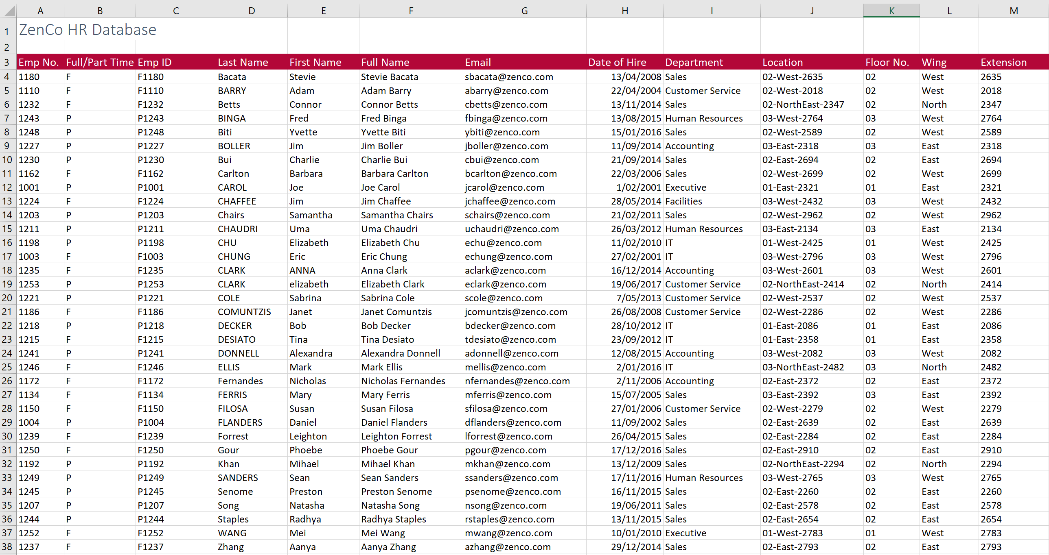

 |  | Excel Skills for Data Analytics and Visualization
 |  | Course 1 — Excel Fundamentals for Data Analysis

 |  | Week 1 Practice Challenge

Instructions
All the following instructions are to be carried out in the HR Data sheet.

1) | In C4, in the HR Data sheet join the data in A4 and B4 to create the employee ID F1180. Copy the formula down for the rest of the staff.

2) | In K4, extract just the floor number from J4 (first 2 numbers) and then copy it down.

3a) | In F4, generate the full name for each staff member by joining the first name, a space and the surname.
b) | Add another function to the calculation in F4 so that all the names show in Proper case and then copy the calculation down.

4a) | In G4, generate an email address by joining the first letter of the first name, the surname and "@zenco.com" to get Sbacata@zenco.com.
b) | Adjust the calculation in G4 so that the email is shown in all lower case and copy it down.

5a) | In L4, extract the text between the two dashes (West) in Location then copy down to make sure it works for all staff.
b) | Adjust the formula in L4 so that all instances of NorthEast are replaced with just North and copy down again.

6a) | In M4, extract the last 4 characters from the Location in J4.
b) | You will notice that instead of getting four numbers you only got 3 or in some cases 2, adjust the formula so that you get the 4 digit extension code in each case.

The finished sheet should look like this:

